1. Title Page
Instacart Grocery Basket Analysis

Project Name: Instacart Grocery Basket Analysis
Date: 10/10/2023
Analyst Name: Benjamin Arrants

Contents:
Population Flow | Citation: | “The Instacart Online Grocery Shopping Dataset 2017”, Accessed from www.instacart.com/datasets/grocery-shopping-2017 via Kaggle on 10/10/2023
Consistency checks |  | (Names and Prices were fabricated for educational purposes)
Wrangling steps
Column derivations
Visualizations
Recommendations

2. Population Flow
Title page

Population flow

Exclusion flag
Condition: max_order < 5
Obervations to be removed: 1440295
Final total count of orders_products_all: 30964564

Orders_products_combined
Orders_products_merged
Orders_products_all

Total: 32404859
Total: 32434489
Total: 32404859

1.) The grey boxes in the first row of the population flow represent the original data sets as they were when you downloaded them. In the Total fields you need to add the count of the rows when you imported the data set into Jupyter.
2.) The second row of boxes (coloured) represents the data sets after you manipulated them, e.g., removed missing values and duplicates. In the Total fields you need to add the count of the rows after conducting these operations. This offers a visual oveview of how the data flows throughout the data consistency checks.
3.) The third row, where also the arrows are coloured, represents the merges you performed between the datasets. In the Total fields you need to add the count of the rows in the merged datasets, so that you end up with the final dataset (in the red box). Keep in mind the final dataset should be without exclusions (based on the exclusion flag).

3. Consistency checks
 |  |  |  | Title page
Consistency checks

Dataset | Missing values | Missing values treatment | Duplicates
orders | Yes; days_since_prior_order, but these are first time purchases so it makes sense. | No | No
products | 16 products without a 'product_name' | New df created without values | 5 duplicates found, created new df without that was exported.
orders_products_prior | prices' 99999 and 14900 made into NaN values. Outliers | No | No
customers | Yes; First Name column had missing values | Fropped columns in ords_prods_all dataframe. | No

4. Wrangling steps
 |  |  |  |  | Title page
Wrangling steps

Columns dropped | Columns renamed | Columns' type changed | Comment/Reason | Dataset
 |  | order_id | Changed to string | orders
 |  | user_id | Changed to string | orders
 | Order_dow -> orders_day_of_week |  | Changed for clarity. | orders
eval_set |  |  | Not needed. | orders
date_joined |  |  | Not needed. | customers
 | Surnam -> surname |  | More clear and lowercase for consistency | customers
 | First Name -> first_name |  | Lowercase for consistency | customers
 | Gender -> gender |  | Lowercase for consistency | customers
 | Age -> age |  | Lowercase for consistency | customers
 | STATE -> state |  | Lowercase for consistency | customers
first_name |  |  | Dropped for PII implications and not needed for analysis | ords_prods_merge
surname |  |  |  | ords_prods_merge

5. Column derivations
 |  |  |  |  |  |  | Title page

Column derivations and aggregations

In this tab you should add tables below that the frequences of flags/label variables that you produced after deriving them. NB: don't do this for continuous variables, only for flags.
Dataset | New column | Column/s it was derived from | Conditions
order_products_merged | price_range_loc | prices | If prices > 15 'High-range product' If prices <= 15 & > 5 'Mid-range product' If prices <= 5 'Low-range product'
order_products_merged | busiest_day | orders_day_of_week | If dow = 4 'Busiest day' If dow = 0 'Least busy' All else 'Regularly busy' | price_range_loc |  | busiest_day |  | busiest_days |  | busiest_period_of_day
order_products_merged | busiest_days | orders_day_of_week | If dow = 4 'Busiest days' If dow >= 3 or <= 4 'Slowest days' All else 'Regularly busy' | Mid-range product | 21860860 | Regularly busy | 22416875 | Regularly busy | 12916111 | Most orders | 21118071
order_products_merged | busiest_period_of_day | order_hour_of_day | If hod >= 9 or <= 16 'Most orders' If hod >= 7 or <= 8 'Average orders' If hod' >= 17 or <= 22 'Average orders' All else -> 'Fewest orders' | Low-range product | 10126321 | Busiest day | 6204182 | Busiest days | 11864412 | Average orders | 9997651
order_products_merged | max_order | user_id' & 'order_number' | Max of order number for a user | High-range product | 417678 | Least busy | 3783802 | Slowest days | 7624336 | Fewest orders | 1289137
order_products_merged | loyalty_flag | max_order | If max_order > 40 'Loyal customer' If max_order <= 40 & > 10 'Regular customer' If max_order <= 10 'New customer'
order_products_merged | mean_spend | user_id' & 'prices' | Mean prices spent by user | loyalty_flag |  | spender_flag |  | order_frequency_flag |  | region
order_products_merged | spender_flag | mean_spend | If mean_spend < 10 'Low spender' If mean_spend >= 10 'High spender' | Regular customer | 15876776 | Low spender | 32285131 | Frequent customer | 21559853 | South | 10311139
order_products_merged | median_order_frequency | user_id' & 'days_since_prior_order' | Median of days_since_prior_order for a user | Loyal customer | 10284093 | High spender | 119728 | Regular customer | 7208564 | West | 7927227
order_products_merged | order_frequncy_flag | median_order_frequency | If median > 20 'Non-frequent customer' If median <= 20 & > 10 'Regular customer' If median <= 10 'Frequent customer' | New customer | 6243990 |  |  | Non-frequent customer | 3636442 | Midwest | 7261513
order_products_merged | region | state | Created based on US region classifications. |  |  |  |  |  |  | Northeast | 5464685
order_products_merged | exclusion_flag | max_order | All users max_order < 5 were excluded.
order_products_all | customer_profile_flag | age, fam_status, n_dependants | Mature family' >= 30, married, >=1 'Childless single' -, single or divorced/widows, = 0 'Young family' <= 30, married, >=1 'Single with family' -, living with parents and siblings, >= 1 'Single mother' -, single, >=1, female 'Single father' -, single, >=1, male |  |  |  |  | customer_profile_flag
order_products_all | department_name | department_id, department | Made a column that lists department names for the department_id. Frequency table matches value counts of department_id | exclusion_flag |  |  |  | Mature family | 18854898
 |  |  |  | Include | 30964564 |  |  | Childless single | 7739681
 |  |  |  | Exclude | 1440295 |  |  | Young family | 2888813
 |  |  |  |  |  |  |  | Single with family | 1481172

6. Visualizations
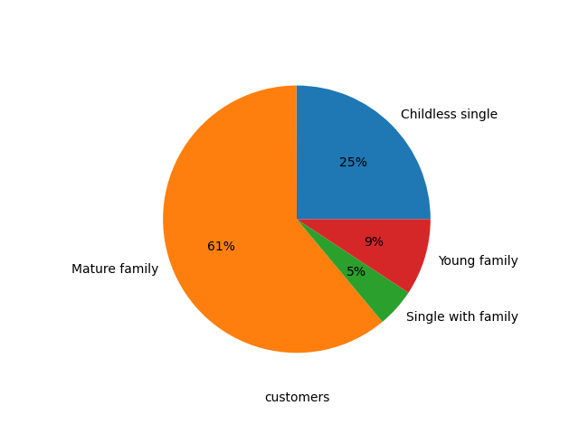
 |  |  |  |  |  | Title page

Visualizations

In this tab you should include all the visualtions from Exercises 4.9 and 4.10, alongside the questions from the project brief that they answer. Include any commentary on the relationship between different variables.

Key Question: What are the busiest days of the week and hours of the day (i.e., the days and times with the most orders)?
fig. 1 |  |  | fig. 2



 |  |  |  |  |  | Observations:

 |  |  |  |  |  | The orders_day_of_week numbering is formatted like so;
 |  |  |  |  |  | 0 = Saturday
 |  |  |  |  |  | 1 = Sunday
 |  |  |  |  |  | 2 = Monday
 |  |  |  |  |  | 3 = Tuesday
 |  |  |  |  |  | 4 = Wednesday
 |  |  |  |  |  | 5 = Thursday
 |  |  |  |  |  | 6 = Friday

 |  |  |  |  |  | Hour of day is in 24:00 hour time format.

 |  |  |  |  |  | Based on the left graph, Saturday and Sunday have the most orders. It decreases Monday through Wednesday. The Orders pick up again Thursday and Friday leading to a Weekend "shopping spree"

 |  |  |  |  |  | Based on the right graph, the most popular period for ordering, with consistent high volumes of ordering, is between 9 am and 5 pm (hour 17). Orders get fewer every hour after 5 pm and until a period with a very small number of orders coming in from 1 am to 5 am. Afte 5 am, orders increase every hour until 9 am when it reaches that busy period.

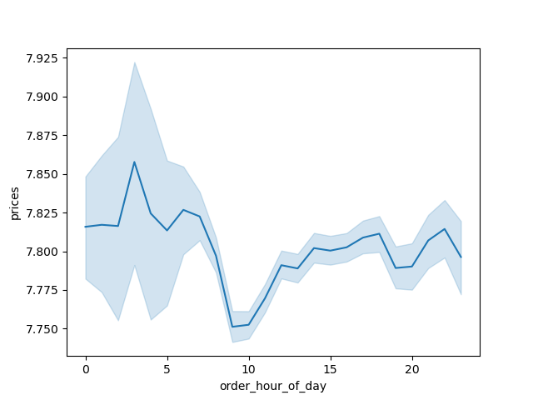
Key Question: Are there particular times of the day when people spend the most money?
fig .3
 |  |  |  | Disclaimer - Graph generated from sample population of full dataset

 |  |  |  | Observations:

 |  |  |  | This graph shows an interesting constrast with the 'hour of day' graph above

 |  |  |  | For the period of fewest orders, 1 am to 5 am, customers purchase the more expensive products, upwards of $7.85. This trend decreases sharply through 10 am to $7.75, but increases once again to nearly the same level of $7.82 at 2 pm through 6 pm. It remains around this rate until the 1 am to 5 am period.

 |  |  |  | The period of 1 am to 5 am, where there is so many purchases of high value products, does look promising, but should be viewed with caution. This time of day has very few customers ordering, so the period with almost the same amount of high value items purchased from 2 pm to 6 pm has more opportunity for advertising.

Key Question: If prices are sorted into simpler price groupings, what is the distribution of High, Mid, or Low range products?

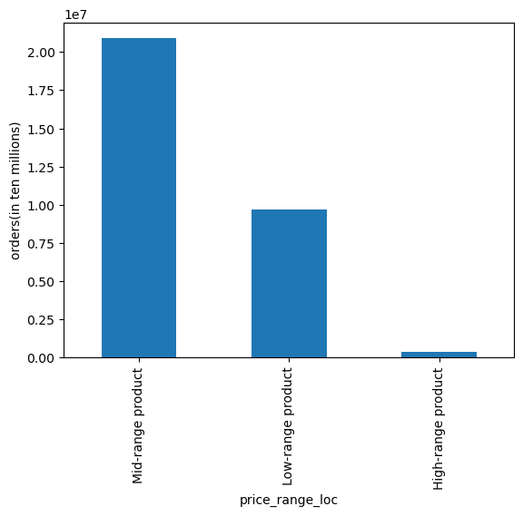
fig. 4 |  |  | fig. 5
 |  |  |  |  |  | Observations:
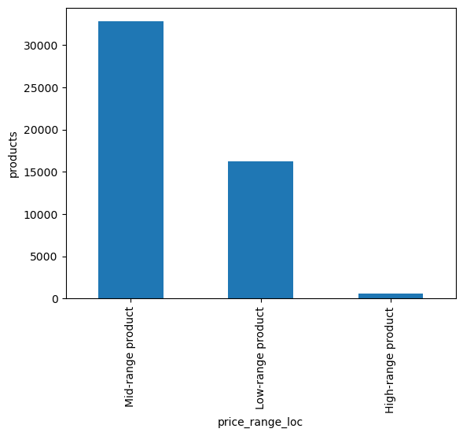
 |  |  |  |  |  | Mid-range products, labeled from $5 to $15, are vastly out ordered than the other priced products. They account for more than 75% off the products ordered.

 |  |  |  |  |  | Based on the distribution of the price range groups within the products themselves (fig. 5), the two graphs look remarkably similar, which suggests there is a correlation between more mid-range products means they were pruchased more. Because there are relatively so much less products in the low and high-range, it means they are consequently ordered less.

Key Question: Are there certain types of products that are more popular than others?

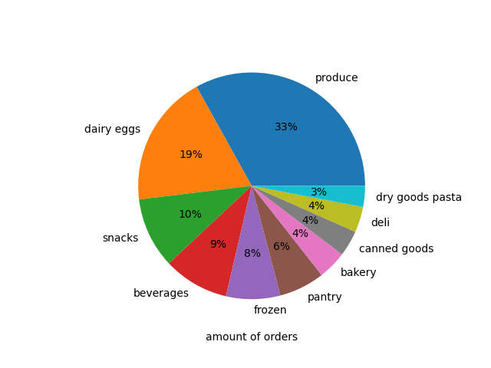
 | fig. 6 |  |  |  |  | fig. 7
 |  |  |  | Observations:
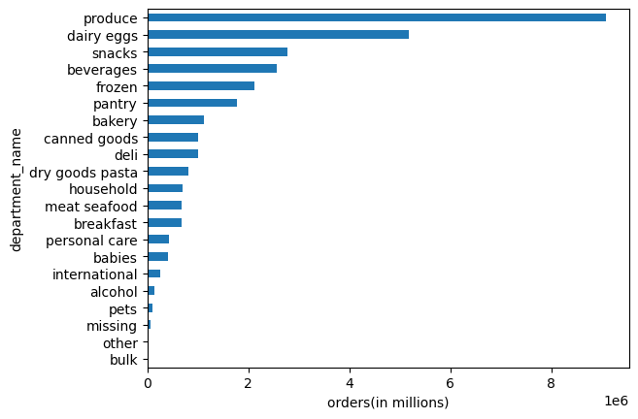
 |  |  |  | Departments 'produce' and 'dairy eggs' are easily the most popular, with 'produce' being almost twice as popular as 'dairy eggs', having over 8 million orders for products within this department.

 |  |  |  | These two product types are arguably the most perishable items, so it makes sense for customers to order them so much more than other products.

Key Question: What’s the distribution among users in regards to their brand loyalty (i.e., how often do they return to Instacart)? AND Are there differences in ordering habits based on a customer’s loyalty status?
 | fig. 8 |  | fig. 9 |  |  |  | fig. 8a
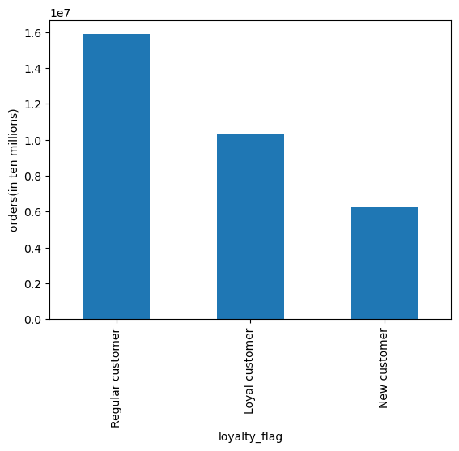
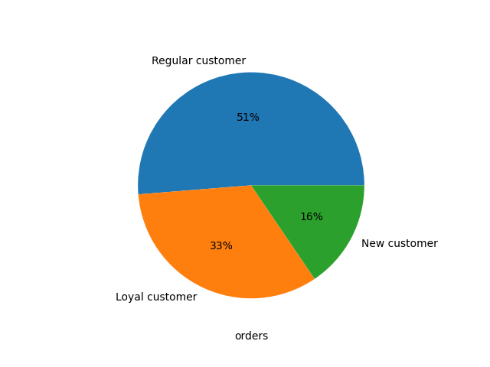
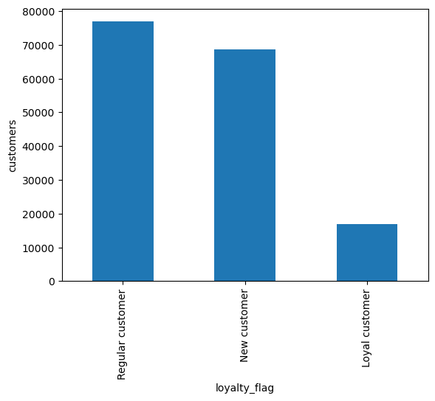
 |  |  |  |  |  | Disclaimer - Charts 10- 11 were generated from sample population of full dataset

 |  |  |  |  |  | Observations:

 |  |  |  |  |  | Most customers are Regular Customers, users who have more than 10 but fewer than 40 orders total. With New Customers, that have between 5-10 orders total, are just behind them in total count.

 |  |  |  |  |  | There is a relatively low number of Loyal Customers, those who have more than 40 orders.

 |  |  |  |  |  | Majority of orders are by Regular Customers. Even though there are not as many Loyal Customers, they still account for 10 million+ orders, so the customer base is pretty strong.

 |  |  |  |  |  | Even though the count of New Customers is close to Regular Customers, the New Customers don't even account for half of the total orders.

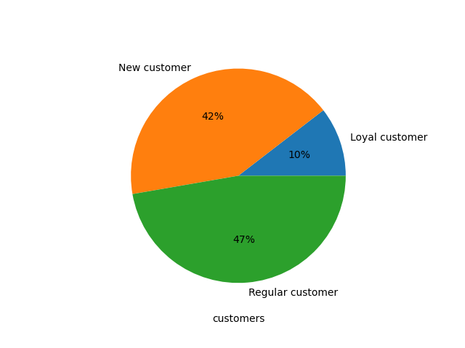
 |  |  |  |  |  | Both of these charts (fig. 8 & 9) together suggest that Instacart can gain new customers pretty well, the issue is retaining them long enough to make them Regular Customers.
 |  |  |  |  |  |  | fig. 9a
 |  |  |  |  |  | These two graphs also show a little bit of how ordering habits can differ depending on a customer's loyalty. Loyal Customers out-order New Customers, despite being much fewer in number.
 | fig. 10 | fig. 11
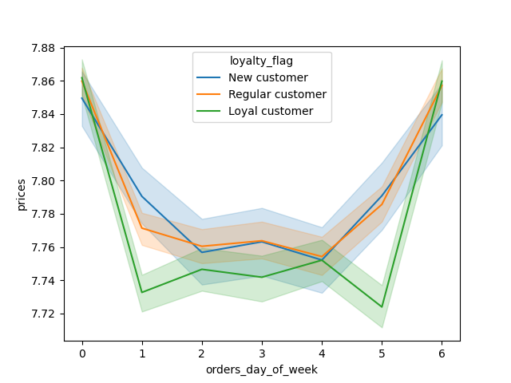
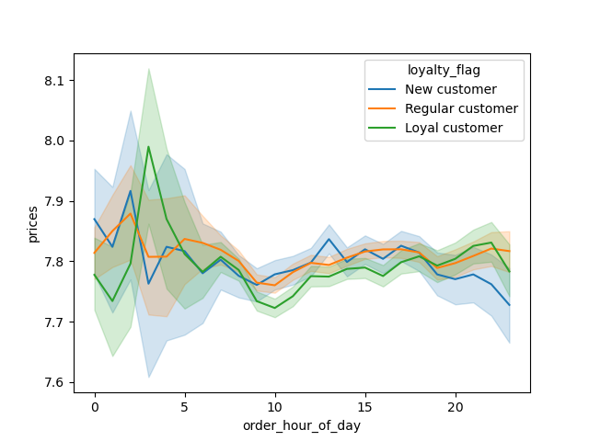
 |  |  |  |  |  | In tandem with the above charts, fig. 10 and 11 show Loyal Customers behaving slightly different than New or Regular Customers. Loyal Customers appear to spend less during the weekdays, but crank up their spending on the weekends. Whereas, Regular and New Customers spend at a more consistent price.

 |  |  |  |  |  | There is a difference in order habits based on a customer's loyalty.

Key Question: Are there differences in ordering habits based on a customer’s region?

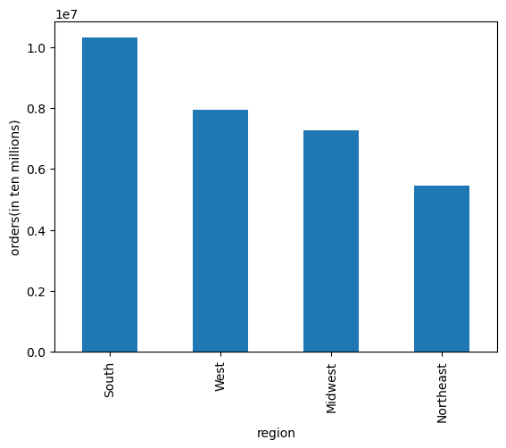
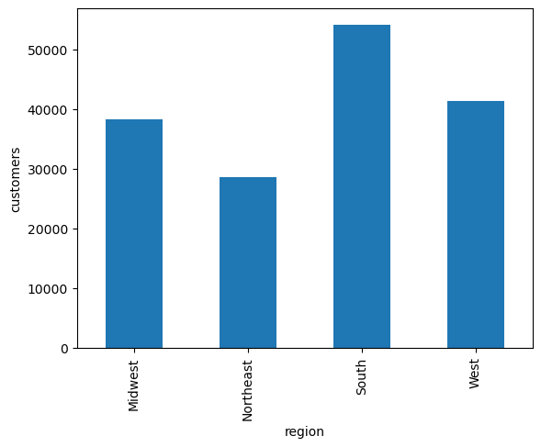
fig. 12 |  |  | fig. 13
 |  |  |  |  |  | Disclaimer - Charts 14 - 15 were generated from sample population of full dataset

 |  |  |  |  |  | Observations:

 |  |  |  |  |  | The South region has the most orders across the other regions. It has nearly double the amount of orders as the lowest Northeast region.

 |  |  |  |  |  | Figure 13 shows that the relative values between the regions, in terms of population and order count, is virtually the same. There is then a coorelation with more customers in a region resulting in more orders from them.

 |  |  |  |  |  | With fig. 14 and 15, it can clearly be seen that the different regions do not spend differently. They buy the same or similar prices items throughout day of week or hour of day, so there is no observable ordering habit based on customer's region.

 |  |  |  |  |  | There is no difference in ordering habit between regions.

fig. 14 |  |  | fig. 15
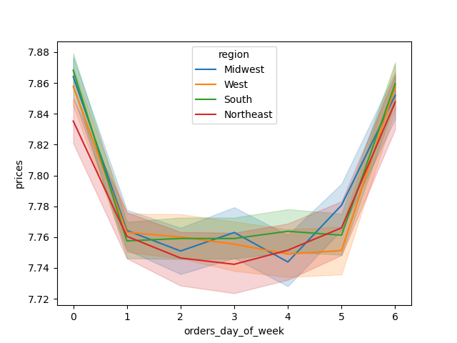
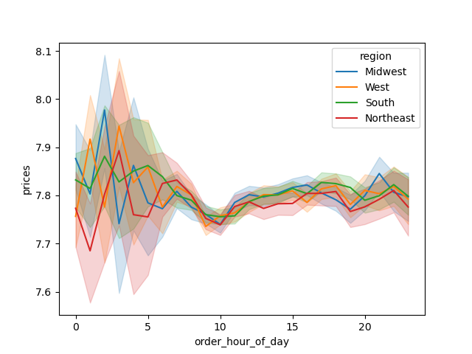

Key Questions: Is there a connection between age and family status in terms of ordering habits? AND What different classifications does the demographic information suggest? Age? Income? Certain types of goods? Family status?


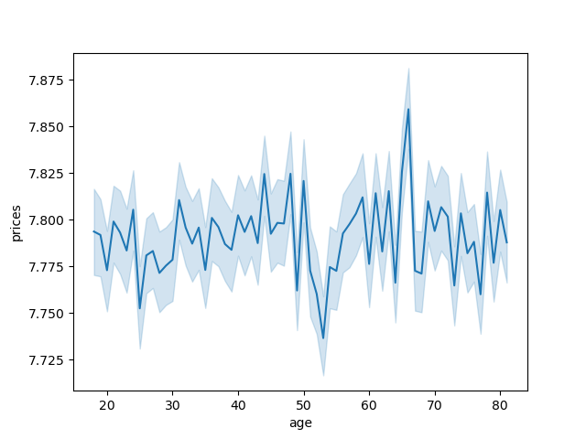
fig. 16 |  |  | fig. 17
 |  |  |  |  |  | Disclaimer - Charts 16 - 18 were generated from sample population of full dataset

 |  |  |  |  |  | Observations:

 |  |  |  |  |  | With fig. 16, there is no definitive coorelation between age and number of dependants.

 |  |  |  |  |  | Fig. 17 shows there is not much deviation in products and there prices when purchased from customers of varying ages. Only at 50 years old is there a real decrease that is sharp and pronounced from the steady $7.80, to $7.75 or lower. There is also a steep increase at age 65 to around $7.85 or as high as $7.87. Overall, there is not much coorelation between customer age and ordered product prices.

 |  |  |  |  |  | Fig. 18 shows age vs income. $200,000 is the common income among all ages, however, there is a apparent "ceiling" from age 40 to younger, the highest income they achieve is $400,000. After age 40, customers can have incomes as high as $600,000. This group of 40+ also has a higher concentration of individuals with $200,000 to $300,000 income. Overall, the higher age you are, the more spending power.

fig. 18


Key Question: What differences can you find in ordering habits of different customer profiles?

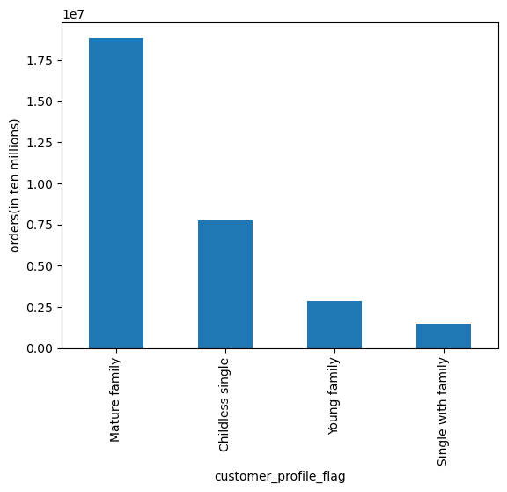
fig. 19 |  |  | fig. 20
 |  |  |  |  |  | Disclaimer - Charts 21 - 22 were generated from sample population of full dataset
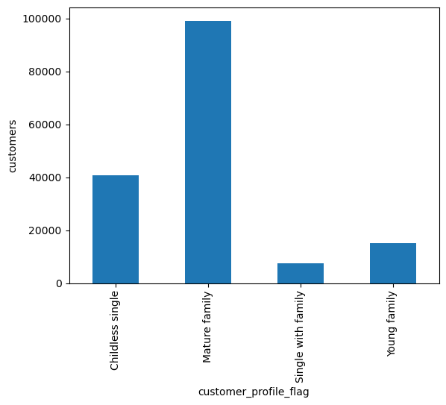
 |  |  |  |  |  | Observations:

 |  |  |  |  |  | As for the customer profiles. Out of the four that fit all customers, Mature Family is the largest, and also orders the most. Similar to others charts in this, they are remarkably similar, showing there is a correlation between amount of customers in a profile leads to more orders from them. This makes a lot of sense given the results we've seen above when looking at regions.

 |  |  |  |  |  | In fig. 21 and 22, it is clear there are no clear observable differences in ordering behavior in relation to product prices either by day of week, or hour of day.

 |  |  |  |  |  | Fig. 23 is simply a pie chart of fig. 20, it more clearly shows the disparity in customer profile sizes.

 |  |  |  |  |  | There is no observed difference in ordering habits between age, n_dependants, or customer profiles.

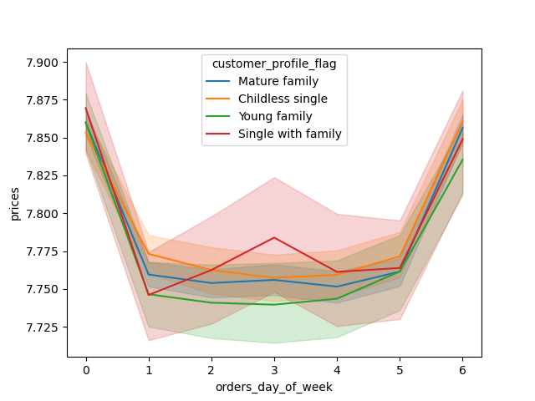
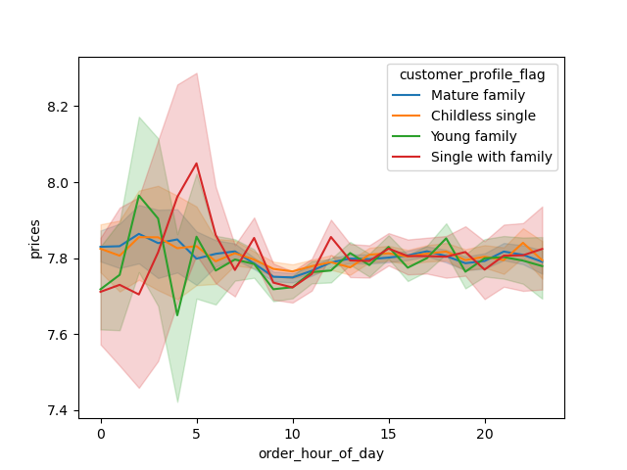
fig. 21 |  |  | fig. 22
 |  |  |  |  | fig. 23

7. Recommendations
 | Title page

Recommendations

In this tab you should include any recommendations you would made to Instcart in terms of their marketing strategy based on the questions posed in the brief. Every key question has been covered in the Tasks of the Exercises - here you need to add an item - a visualisation or table/crosstable that is showing the answer in the data, acompanied by a comment from you. Please, list the questions below and add the answer underneath.

1. What are the busiest times of the day or week, and how much do customers spend at those times?

The busiest days of the week are Saturday and Sunday. 36%, or more than one third, of all orders are purchased on the weekends. The other days of the week are around the same level, but Friday edges higher leading into the weekend spending spree.

The busiest period of day is midday, from 9 am to 5 pm. 84% of all orders happen within this timeframe. Every hour in this timeframe has more than 1.5 million orders with 10 am having the most at 2.6 million orders total.

The more expensive items are actually purchased within the slowest period of orders, from 1 am to 5 am. However, customers do buy more expensive items, just not at the same level, later in the afternoon at around 3 pm onward..

Based on the above, Instacart should:
• Run ads or sales on Fridays and Thursdays to increase traffic leading into the weekend, this could also help to retain more customers to purchase on the weekends.
• These ads should run early in the morning, 6 - 8 am, and later afternoon, 6 - 8 pm. These times are not as popular to purchase, but still have enough traffic to promote good growth and have potential for revenue gain.
• Late afternoon can be targeted for high-range priced products as customers tend to spend more around this time.

2. What are the most popular types of products?

The most popular products ordered by customers are' produce' and 'dairy eggs' products.

These two departments make up 52%, over half of all orders.

These two departments could be considered to have the most perishable and likely most frequently consumed foods by customers. Produce and eggs usually need to be consumed or they are thrown out, whereas, for example, other perishable items within departments such as 'meat and seafood', can be frozen without much issue. The next two most popular departments behind 'Produce' and 'Dairy eggs' are Snacks and Beverages. These items are probably not as perishable as the top 2 departments, but they are likely consumed by customers quite frequently, which is why they have more orders than other departments.

Based on the above, Instacart should:
• Run ads to promote 'Snacks' and 'Beverages' by at least 5%. These two departments have a lot of potential for higher ordering frequency.

3. How loyal is the customer base and how do they behave?

Regular and New Customers make up 90% of the customer base.

With Loyal Customers only making up 10% of all customers, they account for 33% of all orders. Regular Customers order 51% of all orders but are 47% of the customer base. New Customers are 42% of the customer base but only account for 16% of all orders.

Instacart's customer base is relatively loyal, but there is an abundance of New Customers that should be focused on to retain and shift toward Regular Customers.

Based on the above, Instacart should:
• Target ads on Regular Customers. Being the largest customer population, and who order most, they have the most profit potential. Shifting them into Loyal Customers to get a 10% increase.
• Run ads or promotions for New Customers, with a goal to increase their purchasing. If they can be shifted into Regular Customers, the goal is to increase Regular Customer by 5%.
• The goal is to have fewer total New Customers and shift them into more Regular or Loyal Customers.

4. What are the opportunities to increase market share within customer demographics?

Majority of customers are Mature Family, meaning they are over 30 years old, married, and have dependants.

Analysis showed that ordering habits did not change between customer profiles. And there was no correlation between age and product prices.

Based on the above, Instacart should:
• Run ads to increase number of Mature Family customers by 10%. With that base increasing, it can only mean more profit, especially since older customers have higher income, so more spending power.
• Run ads to increase number of Childless single customers by 5% for the same reasoning as to do it for Mature family customers.

